Summary
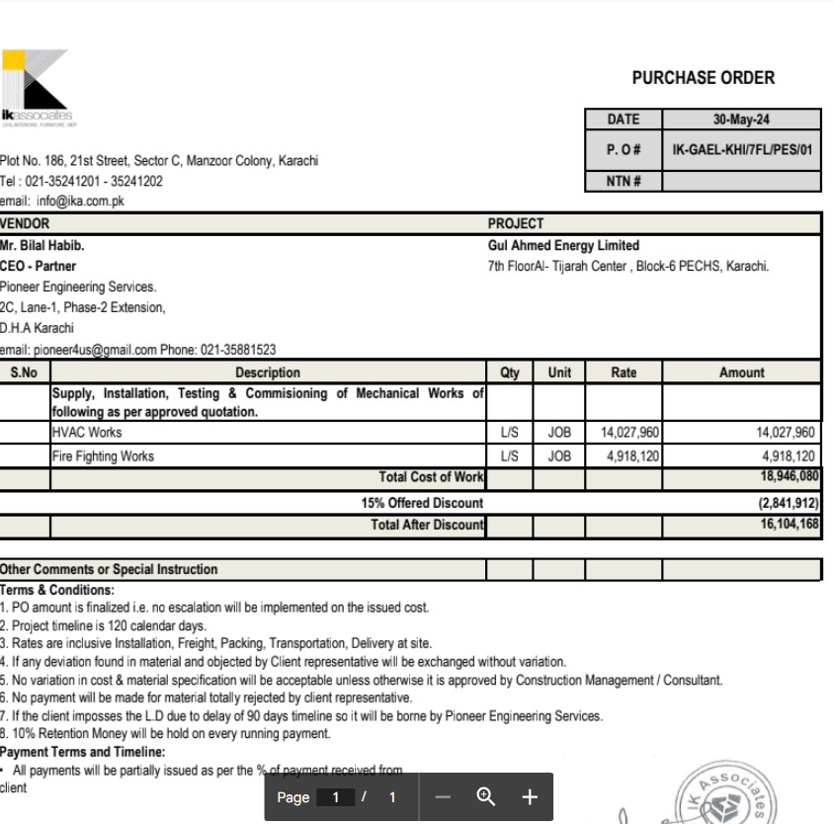

HVAC & Fire Fighting Works |  |  |  | 17-Aug-24

GUL AHMED ENERGY LIMITED
PHASE # 2 7TH FLOOR, AL-TIJARAH CENTER KARACHI

SUMMARY OF RUNNING BILL NO 1

S.No | Description | Material | Labour | Amount

1 | HVAC Work | 6,431,089 | 1,003,757 | 7,434,845
2 | Fire Fighting | 1,689,725 | 315,903 | 2,005,628

3 | 03 Nos Vairation amount | - | - | 4,630,864

 | Grand Total Amount |  |  | 14,071,337

